Assignment
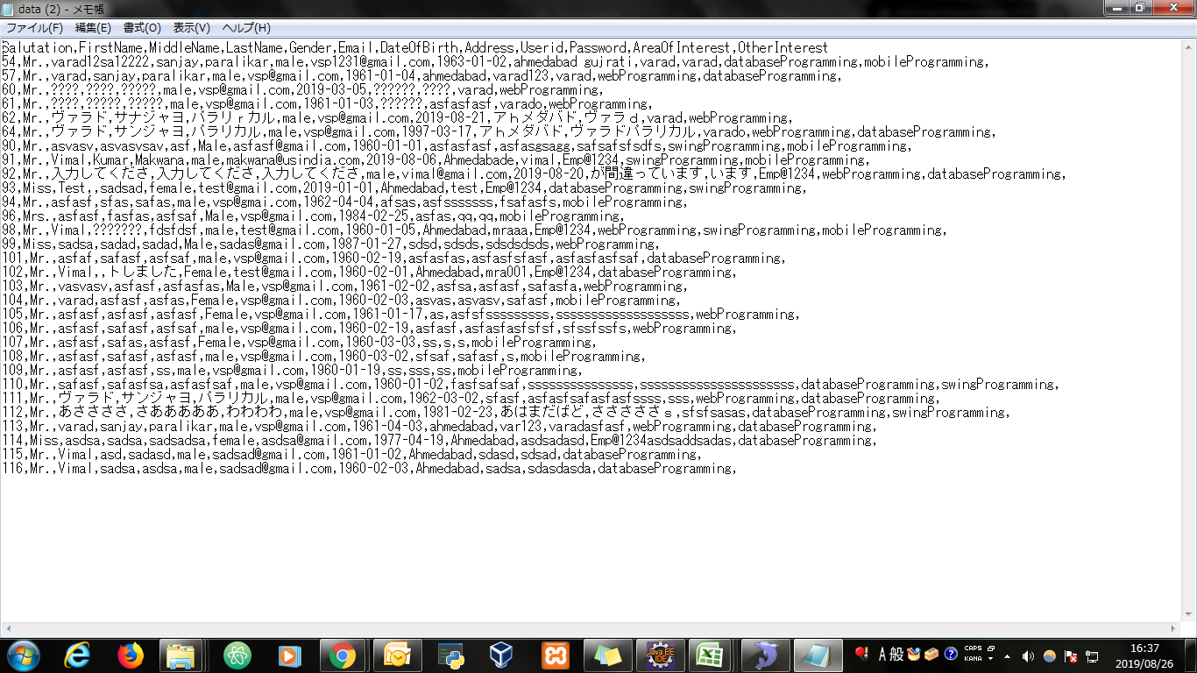
CSVFileDownload | The user data from the table should be exported to a CSV file. On click of a button the file should be downloaded from server.

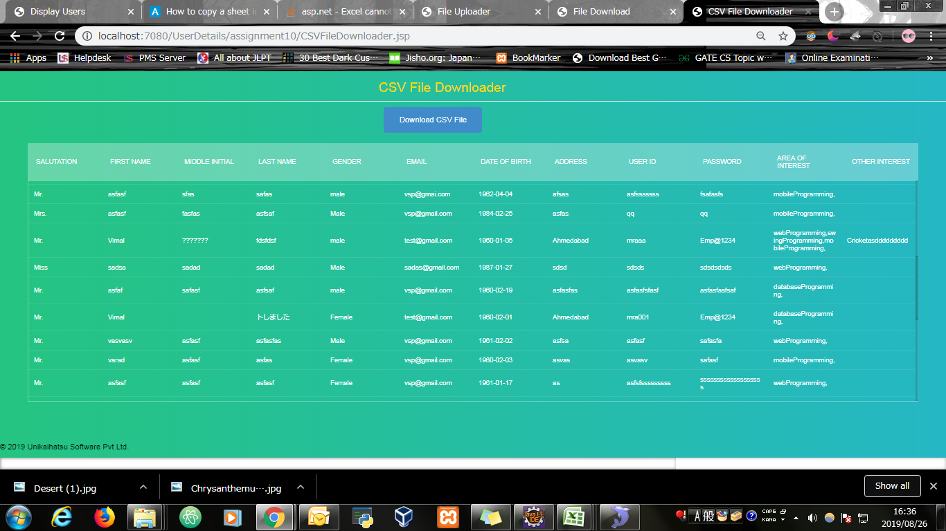
Input Screen

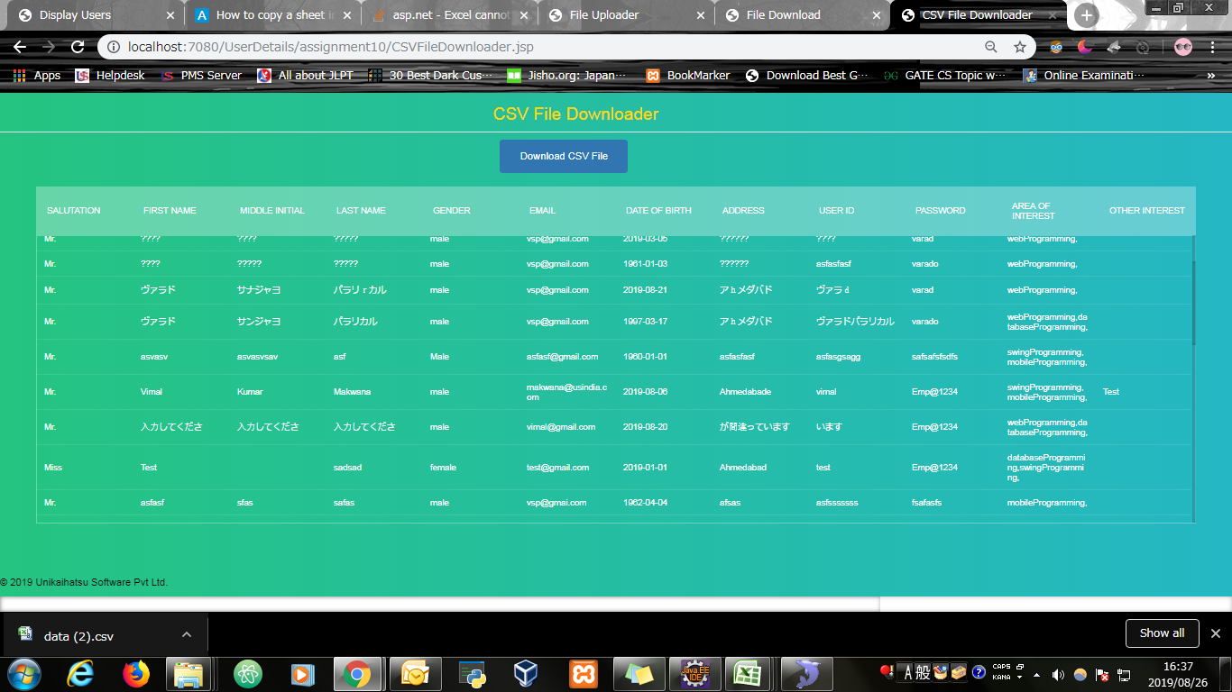
Output Screen

